HOME LOAN EMI
HOME LOAN EMI CALCULATOR
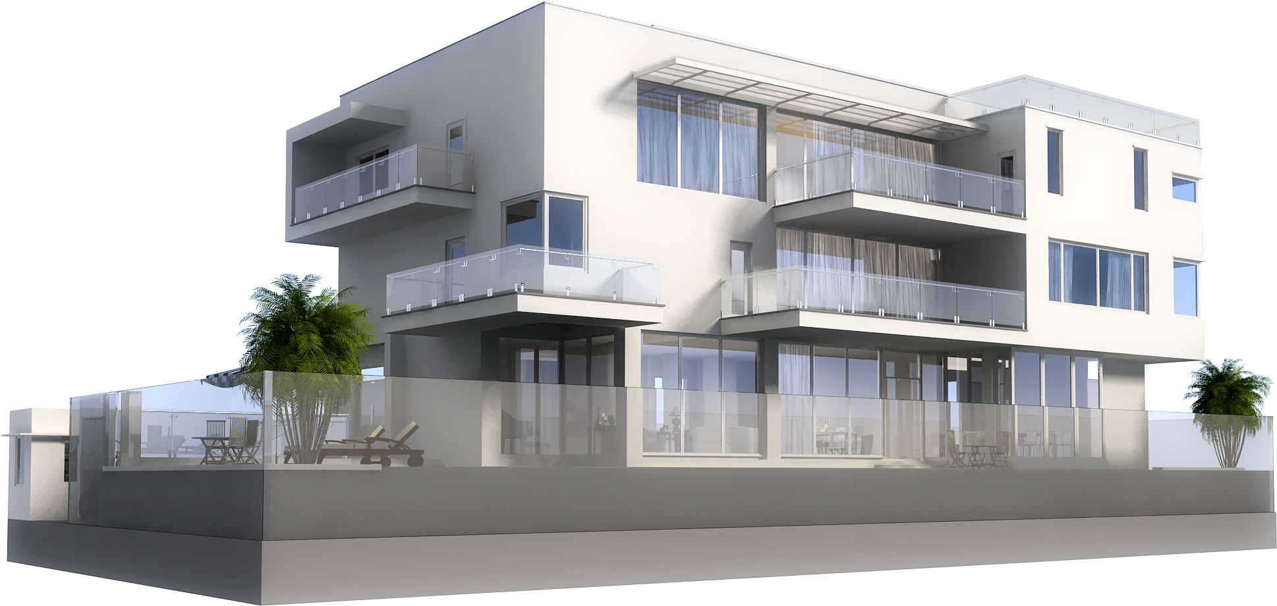

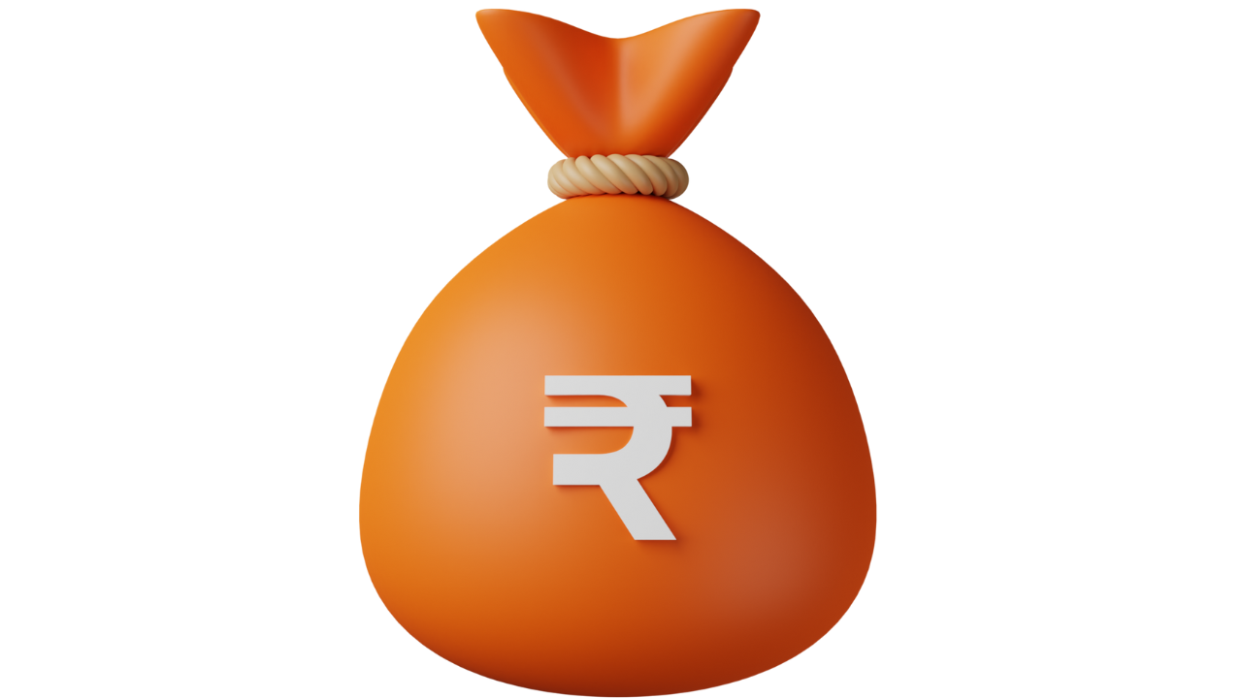

 | HOME LAON EMI CLACULATOR |  |  |  | LIQUID ASSETS
 | COST OF THE PROPERTY | ₹10,000,000.00 |  |  | CASH IN BANK ACCOUNTS | ₹200,000.00
 | DOWN PAYMENT | ₹2,000,000.00 |  |  | BONDS | ₹500,000.00
 | LOAN AMOUNT | ₹8,000,000.00 | To Support Your Money Purse Channel Use the Links Below |  | GOLD | ₹500,000.00
 | INTEREST RATE | 9.00% | Compare Term Plan Here | https://tinyurl.com/44tp7uor | MUTUAL FUNDS | ₹1,000,000.00
 | TENURE IN YEARS | 20 | Compare Health Insurance Here | https://tinyurl.com/pgc9dcxc | STOCKS | ₹2,000,000.00
 | EMI | ₹71,442.26 |  |  | OTHERS
 |  |  | Choose the Credit Card Which Suits Your Requirement |  | TOTAL LIQUID ASSETS | ₹4,000,000.00
 |  |  | State Bank Of India | https://wee.bnking.in/c/NzRkOGY4
 |  |  | Axis Bank | https://wee.bnking.in/c/M2M3MjM1
 |  |  | IDFC First Bank | https://wee.bnking.in/ZTFkZTc1

 | COST OF REGISTRATION | ₹700,000.00 |  |  | LEFT OUT AFTER EXPENSES | ₹1,300,000.00

Monthly Budget
MONTHLY BUDGET PLANNING

MONTHLY IN FLOWS |  | MONTHLY OUT FLOWS
MONTHLY INCOME | ₹135,000.00 | HOUSE RENT & MAINTAINANCE | ₹0.00 |  |  | HOME LOAN EMI | ₹0.00
ADDITIONAL INCOME | ₹0.00 | PROPERTY TAX | ₹0.00 |  |  | CAR LOAN EMI | ₹0.00
RENTAL INCOME | ₹0.00 | UTILITIES | ₹0.00 |  |  | PERSONAL LOAN EMI | ₹0.00
SPOUSE'S INCOME | ₹0.00 | GROCERIES | ₹0.00 |  |  | OTHER EMIS | ₹0.00
TOTAL MONTHLY INFLOW | ₹135,000.00 | TRANSPORTATION | ₹0.00 |  |  | TOTAL EMIs | ₹0.00 | 0.00%
 |  | MEDICAL EXPENSES | ₹0.00 |  |  | MUTUAL FUNDS | ₹0.00
 |  | CHILDREN SCHOOL FEES | ₹0.00 |  |  | STOCKS | ₹0.00
 |  | INSURANCE PREMIUMS | ₹0.00 |  |  | FIXED DEPOSITS
 |  | TOTAL ESSENTIAL EXPENSES | ₹0.00 | 0.00% |  | OTHERS
 |  | MAID | ₹0.00 |  |  | TOTAL INVESTMENTS | ₹0.00 | 0.00%
 |  | SHOPPING | ₹0.00
 |  | TRAVEL | ₹0.00
 |  | DINE & ENTERTAINMENT | ₹0.00 |  |  | LEFTOUT FOR THE MONTH | ₹135,000.00 | 100.00%
 |  | TOTAL LIFESTYLE EXPENSES | ₹0.00 | 0.00% |  | TOTAL OUT FLOWS | ₹0.00

 |  | To Support Your Money Purse Channel Use the Links Below
 |  | Compare Term Plan Here | https://tinyurl.com/44tp7uor
 |  | Compare Health Insurance Here | https://tinyurl.com/pgc9dcxc
 |  | NAME | VALUE | PERCENTAGE | THE CURRENT STATUS
 |  | ESSENTIAL EXPENSES | ₹0.00 | 0.00% | THE EXPENSES ARE IN LINE WITH THE INCOME
 |  | LIFE STYLE EXPENSES | ₹0.00 | 0.00% | THE EXPENSES ARE IN LINE WITH THE INCOME
 |  | EMIs | ₹0.00 | 0.00% | THE LEVERAGE UTILISATION IS GOOD
 |  | INVESTMENTS | ₹0.00 | 0.00% | INCREASE THE IVESTMENT
 |  | LEFTOUT | ₹135,000.00 | 100.00% | MOVE SOME FUNDS TO INVESTMENT

